График оценки по кросс валидаци
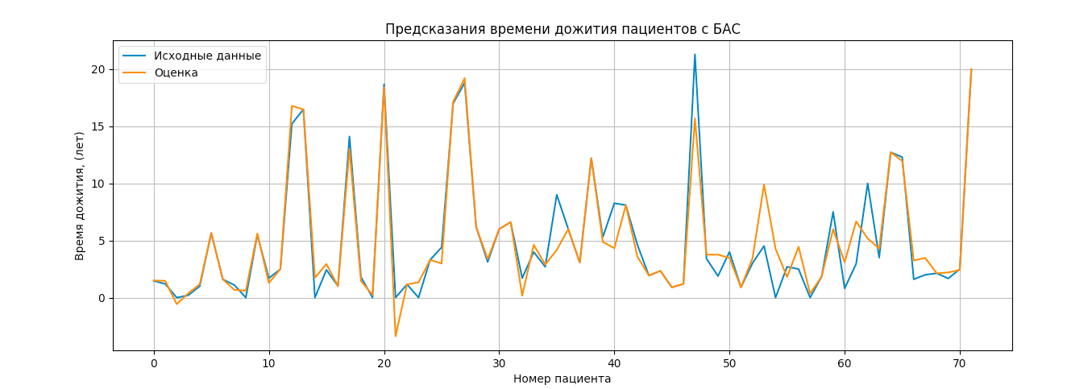
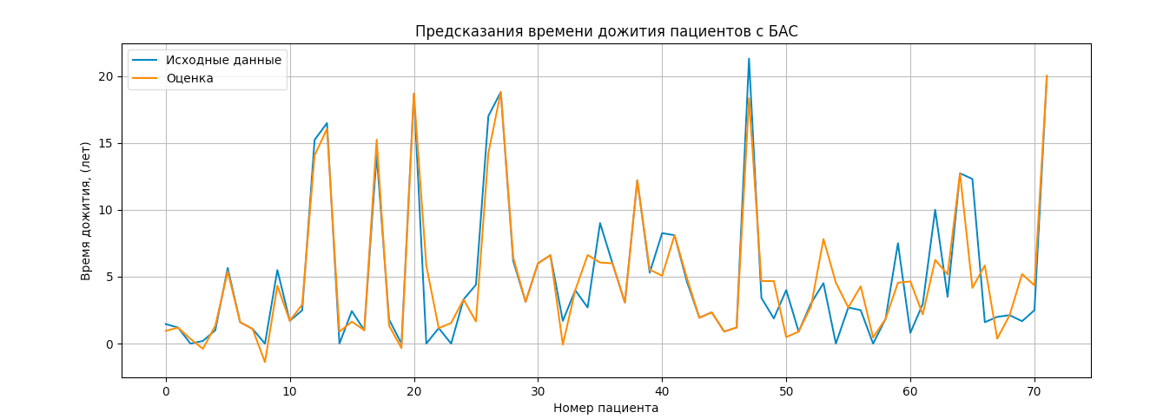
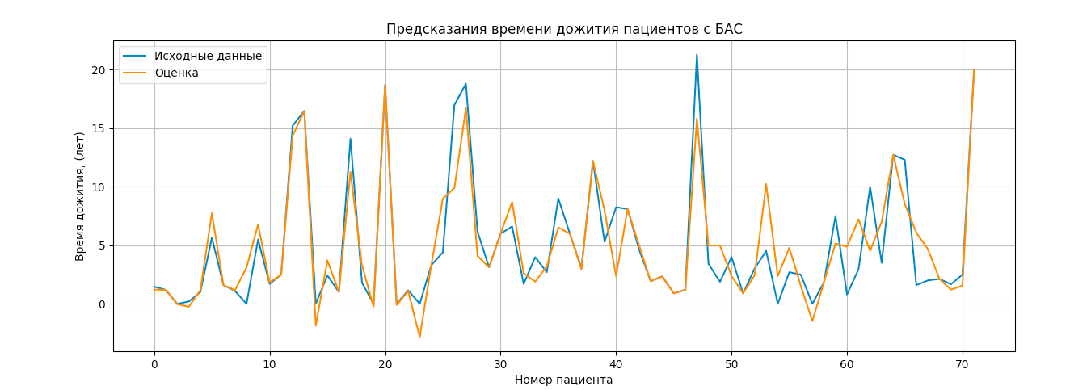

 |  |  |  | Ошибка CV: | 0.27577683760683025
 |  | Ошибка CV: | 0.24340272420982106
Ошибка CV: | 0.1987534966157125
0.2155766096465793 |  | 0.20967764958053242 |  | 0.13808461498373648
OLS Regression Results |  | OLS Regression Results |  | OLS Regression Results
============================================================================== |  | ============================================================================== |  | ==============================================================================
Dep. Variable: y R-squared: 0.904 |  | Dep. Variable: y R-squared: 0.856 |  | Dep. Variable: y R-squared: 0.815
Model: OLS Adj. R-squared: 0.545 |  | Model: OLS Adj. R-squared: 0.317 |  | Model: OLS Adj. R-squared: 0.179
Method: Least Squares F-statistic: 2.518 |  | Method: Least Squares F-statistic: 1.590 |  | Method: Least Squares F-statistic: 1.281
Date: Tue, 08 Feb 2022 Prob (F-statistic): 0.0257 |  | Date: Tue, 08 Feb 2022 Prob (F-statistic): 0.162 |  | Date: Tue, 08 Feb 2022 Prob (F-statistic): 0.301
Time: 16:29:42 Log-Likelihood: -139.79 |  | Time: 16:27:38 Log-Likelihood: -154.38 |  | Time: 16:33:27 Log-Likelihood: -163.38
No. Observations: 72 AIC: 393.6 |  | No. Observations: 72 AIC: 422.8 |  | No. Observations: 72 AIC: 438.8
Df Residuals: 15 BIC: 523.4 |  | Df Residuals: 15 BIC: 552.5 |  | Df Residuals: 16 BIC: 566.2
Df Model: 56 |  | Df Model: 56 |  | Df Model: 55
Covariance Type: nonrobust |  | Covariance Type: nonrobust |  | Covariance Type: nonrobust
============================================================================== |  | ============================================================================== |  | ==============================================================================
coef std err t P>|t| [0.025 0.975] |  | coef std err t P>|t| [0.025 0.975] |  | coef std err t P>|t| [0.025 0.975]
------------------------------------------------------------------------------ |  | ------------------------------------------------------------------------------ |  | ------------------------------------------------------------------------------
x1 2.3531 3.695 0.637 0.534 -5.522 10.229 |  | x1 2.3531 4.525 0.520 0.611 -7.292 11.998 |  | x1 2.3531 4.964 0.474 0.642 -8.170 12.876
x2 9.5687 3.695 2.590 0.021 1.693 17.444 |  | x2 9.5687 4.525 2.115 0.052 -0.076 19.213 |  | x2 9.5687 4.964 1.928 0.072 -0.954 20.092
x3 -0.1747 3.695 -0.047 0.963 -8.050 7.701 |  | x3 -0.1747 4.525 -0.039 0.970 -9.819 9.470 |  | x3 -0.1747 4.964 -0.035 0.972 -10.698 10.348
x4 -3.4459 3.695 -0.933 0.366 -11.321 4.430 |  | x4 -3.4459 4.525 -0.762 0.458 -13.091 6.199 |  | x4 -3.4459 4.964 -0.694 0.498 -13.969 7.077
x5 -1.7010 3.695 -0.460 0.652 -9.576 6.174 |  | x5 -1.7010 4.525 -0.376 0.712 -11.346 7.944 |  | x5 -1.7010 4.964 -0.343 0.736 -12.224 8.822
x6 3.6756 27.607 0.133 0.896 -55.167 62.518 |  | x6 65.3631 34.272 1.907 0.076 -7.687 138.413 |  | x6 4.1179 46.192 0.089 0.930 -93.805 102.041
x7 -4.6779 3.714 -1.260 0.227 -12.593 3.238 |  | x7 -7.2643 4.525 -1.605 0.129 -16.909 2.380 |  | x7 -12.2472 5.031 -2.434 0.027 -22.912 -1.582
x8 11.3595 3.712 3.060 0.008 3.447 19.272 |  | x8 -5.0334 4.525 -1.112 0.284 -14.679 4.612 |  | x8 -4.7140 4.969 -0.949 0.357 -15.248 5.820
x9 6.6576 3.699 1.800 0.092 -1.226 14.541 |  | x9 2.2265 4.536 0.491 0.631 -7.442 11.895 |  | x9 1.2421 4.965 0.250 0.806 -9.283 11.767
x10 -9.3631 3.695 -2.534 0.023 -17.239 -1.487 |  | x10 11.0152 4.656 2.366 0.032 1.091 20.940 |  | x10 -10.6761 5.021 -2.126 0.049 -21.320 -0.032
x11 5.4336 3.698 1.469 0.162 -2.448 13.315 |  | x11 1.2503 4.604 0.272 0.790 -8.563 11.064 |  | x11 -4.8552 4.966 -0.978 0.343 -15.382 5.672
x12 3.9911 3.697 1.080 0.297 -3.888 11.871 |  | x12 10.5376 4.534 2.324 0.035 0.874 20.202 |  | x12 -1.4351 4.975 -0.288 0.777 -11.981 9.110
x13 1.3403 3.695 0.363 0.722 -6.535 9.216 |  | x13 -7.2196 4.529 -1.594 0.132 -16.872 2.433 |  | x13 -0.4946 7.063 -0.070 0.945 -15.467 14.478
x14 0.0474 3.700 0.013 0.990 -7.840 7.935 |  | x14 2.7009 4.630 0.583 0.568 -7.168 12.570 |  | x14 6.8733 9.178 0.749 0.465 -12.584 26.331
x15 -7.3439 7.080 -1.037 0.316 -22.434 7.746 |  | x15 3.8188 4.538 0.841 0.413 -5.855 13.492 |  | x15 -1.8667 6.546 -0.285 0.779 -15.744 12.010
x16 -1.7072 4.905 -0.348 0.733 -12.162 8.747 |  | x16 -8.6443 4.525 -1.910 0.075 -18.290 1.001 |  | x16 6.1730 6.490 0.951 0.356 -7.584 19.931
x17 8.9488 4.046 2.212 0.043 0.326 17.572 |  | x17 3.7704 4.526 0.833 0.418 -5.876 13.417 |  | x17 -5.9775 6.728 -0.888 0.387 -20.240 8.285
x18 4.9837 3.700 1.347 0.198 -2.902 12.869 |  | x18 17.0125 8.476 2.007 0.063 -1.054 35.079 |  | x18 5.1265 7.173 0.715 0.485 -10.080 20.333
x19 -7.0810 4.976 -1.423 0.175 -17.687 3.525 |  | x19 1.3297 4.639 0.287 0.778 -8.559 11.218 |  | x19 -5.8559 7.062 -0.829 0.419 -20.826 9.115
x20 -2.6207 4.247 -0.617 0.546 -11.672 6.431 |  | x20 2.0444 5.324 0.384 0.706 -9.303 13.392 |  | x20 -1.1321 6.229 -0.182 0.858 -14.337 12.073
x21 -5.8300 3.735 -1.561 0.139 -13.790 2.130 |  | x21 -18.2898 7.338 -2.493 0.025 -33.930 -2.650 |  | x21 -0.6985 5.899 -0.118 0.907 -13.203 11.806
x22 -12.5287 3.702 -3.384 0.004 -20.420 -4.638 |  | x22 3.8144 5.540 0.689 0.502 -7.993 15.622 |  | x22 -13.8429 5.322 -2.601 0.019 -25.126 -2.560
x23 1.9784 3.938 0.502 0.623 -6.416 10.372 |  | x23 -9.5311 5.551 -1.717 0.107 -21.363 2.301 |  | x23 5.4600 5.416 1.008 0.328 -6.022 16.942
x24 1.8177 3.840 0.473 0.643 -6.367 10.003 |  | x24 -13.1677 6.840 -1.925 0.073 -27.747 1.411 |  | x24 -3.5671 6.316 -0.565 0.580 -16.957 9.823
x25 -6.2579 3.695 -1.694 0.111 -14.133 1.618 |  | x25 -9.3448 4.884 -1.913 0.075 -19.756 1.066 |  | x25 2.5535 5.395 0.473 0.642 -8.883 13.990
x26 2.2599 3.746 0.603 0.555 -5.725 10.245 |  | x26 5.1220 4.598 1.114 0.283 -4.678 14.922 |  | x26 -2.8406 5.433 -0.523 0.608 -14.357 8.676
x27 2.8553 3.716 0.768 0.454 -5.064 10.775 |  | x27 -5.5744 4.638 -1.202 0.248 -15.461 4.312 |  | x27 -0.3005 5.101 -0.059 0.954 -11.113 10.512
x28 0.4180 4.234 0.099 0.923 -8.606 9.442 |  | x28 -2.7436 4.675 -0.587 0.566 -12.708 7.221 |  | x28 -6.0130 7.223 -0.833 0.417 -21.325 9.299
x29 2.2833 4.747 0.481 0.637 -7.835 12.402 |  | x29 0.1473 5.191 0.028 0.978 -10.917 11.211 |  | x29 -5.3296 5.169 -1.031 0.318 -16.287 5.627
x30 1.9363 5.742 0.337 0.741 -10.303 14.176 |  | x30 -0.3816 4.525 -0.084 0.934 -10.027 9.264 |  | x30 5.5000 8.254 0.666 0.515 -11.998 22.998
x31 3.2428 47.751 0.068 0.947 -98.536 105.021 |  | x31 -109.1974 55.057 -1.983 0.066 -226.549 8.154 |  | x31 -2.4010 4.967 -0.483 0.635 -12.931 8.129
x32 4.4286 19.329 0.229 0.822 -36.771 45.628 |  | x32 -78.6159 45.987 -1.710 0.108 -176.636 19.404 |  | x32 2.1588 56.000 0.039 0.970 -116.557 120.874
x33 -3.2807 4.215 -0.778 0.449 -12.265 5.704 |  | x33 -0.1886 4.569 -0.041 0.968 -9.927 9.550 |  | x33 0.4367 5.184 0.084 0.934 -10.554 11.427
x34 -7.4188 5.680 -1.306 0.211 -19.525 4.688 |  | x34 -8.3862 7.341 -1.142 0.271 -24.033 7.261 |  | x34 -0.9782 5.084 -0.192 0.850 -11.755 9.798
x35 -0.4933 3.703 -0.133 0.896 -8.386 7.399 |  | x35 -0.2059 6.618 -0.031 0.976 -14.313 13.901 |  | x35 5.9801 10.454 0.572 0.575 -16.181 28.141
x36 8.3754 3.701 2.263 0.039 0.486 16.265 |  | x36 -0.4545 5.059 -0.090 0.930 -11.238 10.329 |  | x36 1.6248 21.059 0.077 0.939 -43.019 46.268
x37 6.7515 3.711 1.819 0.089 -1.158 14.661 |  | x37 -14.3545 9.092 -1.579 0.135 -33.734 5.025 |  | x37 -13.6278 5.901 -2.309 0.035 -26.137 -1.118
x38 -6.5222 4.201 -1.553 0.141 -15.475 2.431 |  | x38 -20.7385 10.849 -1.912 0.075 -43.862 2.385 |  | x38 -5.0030 19.009 -0.263 0.796 -45.301 35.295
x39 4.3680 10.017 0.436 0.669 -16.982 25.718 |  | x39 8.8297 4.780 1.847 0.085 -1.359 19.018 |  | x39 0.7898 42.023 0.019 0.985 -88.294 89.874
x40 4.6545 4.520 1.030 0.319 -4.979 14.288 |  | x40 13.6908 6.005 2.280 0.038 0.892 26.490 |  | x40 2.5581 8.430 0.303 0.765 -15.313 20.429
x41 10.9775 21.205 0.518 0.612 -34.221 56.176 |  | x41 7.5498 5.104 1.479 0.160 -3.328 18.428 |  | x41 -3.5312 11.112 -0.318 0.755 -27.088 20.025
x42 -3.0519 3.863 -0.790 0.442 -11.285 5.182 |  | x42 28.1982 12.652 2.229 0.042 1.231 55.166 |  | x42 1.3913 17.159 0.081 0.936 -34.984 37.767
x43 -6.0267 3.704 -1.627 0.125 -13.921 1.868 |  | x43 6.5121 7.389 0.881 0.392 -9.236 22.260 |  | x43 -9.1674 61.990 -0.148 0.884 -140.581 122.246
x44 -11.8862 14.822 -0.802 0.435 -43.479 19.707 |  | x44 9.3623 5.780 1.620 0.126 -2.958 21.683 |  | x44 11.8564 11.978 0.990 0.337 -13.536 37.249
x45 2.8780 13.854 0.208 0.838 -26.652 32.408 |  | x45 -0.3764 4.532 -0.083 0.935 -10.036 9.283 |  | x45 -4.9376 12.652 -0.390 0.701 -31.759 21.883
x46 -2.0902 7.305 -0.286 0.779 -17.661 13.481 |  | x46 -19.1867 5.201 -3.689 0.002 -30.271 -8.102 |  | x46 9.3899 5.556 1.690 0.110 -2.388 21.168
x47 12.4284 3.919 3.171 0.006 4.074 20.783 |  | x47 -6.2611 6.448 -0.971 0.347 -20.004 7.482 |  | x47 -5.1654 5.039 -1.025 0.321 -15.847 5.516
x48 -3.6149 4.365 -0.828 0.421 -12.918 5.689 |  | x48 -15.3950 7.545 -2.040 0.059 -31.477 0.687 |  | x48 -7.0247 10.193 -0.689 0.501 -28.632 14.583
x49 -8.7817 4.431 -1.982 0.066 -18.226 0.662 |  | x49 17.5521 8.767 2.002 0.064 -1.133 36.238 |  | x49 4.6450 5.687 0.817 0.426 -7.411 16.701
x50 5.3297 3.726 1.430 0.173 -2.612 13.271 |  | x50 -13.9085 6.484 -2.145 0.049 -27.729 -0.088 |  | x50 2.7452 7.536 0.364 0.720 -13.230 18.720
x51 -7.6898 7.878 -0.976 0.344 -24.482 9.102 |  | x51 11.9072 5.238 2.273 0.038 0.742 23.073 |  | x51 -3.4721 5.016 -0.692 0.499 -14.105 7.160
x52 5.7981 5.727 1.012 0.327 -6.410 18.006 |  | x52 5.6380 4.561 1.236 0.235 -4.083 15.359 |  | x52 1.2393 7.707 0.161 0.874 -15.099 17.578
x53 5.1697 4.188 1.234 0.236 -3.757 14.097 |  | x53 -0.1346 4.946 -0.027 0.979 -10.676 10.407 |  | x53 8.0362 5.091 1.579 0.134 -2.756 18.828
x54 -0.0296 4.021 -0.007 0.994 -8.601 8.542 |  | x54 -5.9636 5.364 -1.112 0.284 -17.397 5.470 |  | x54 -2.7106 6.895 -0.393 0.699 -17.327 11.906
x55 -2.2268 3.702 -0.601 0.557 -10.118 5.665 |  | x55 7.2117 4.589 1.572 0.137 -2.569 16.992 |  | x55 5.4374 5.782 0.940 0.361 -6.820 17.694
x56 6.1121 3.714 1.646 0.121 -1.804 14.028 |  | x56 -4.1277 4.543 -0.909 0.378 -13.811 5.556 |  | const 3.8988 13.358 0.292 0.774 -24.420 32.218
const 4.0274 7.958 0.506 0.620 -12.935 20.989 |  | const -13.9161 9.882 -1.408 0.179 -34.979 7.146 |  | ==============================================================================
============================================================================== |  | ============================================================================== |  | Omnibus: 5.866 Durbin-Watson: 2.339
Omnibus: 15.925 Durbin-Watson: 1.955 |  | Omnibus: 11.554 Durbin-Watson: 2.341 |  | Prob(Omnibus): 0.053 Jarque-Bera (JB): 6.179
Prob(Omnibus): 0.000 Jarque-Bera (JB): 44.919 |  | Prob(Omnibus): 0.003 Jarque-Bera (JB): 29.137 |  | Skew: 0.383 Prob(JB): 0.0455
Skew: 0.532 Prob(JB): 1.76e-10 |  | Skew: 0.303 Prob(JB): 4.71e-07 |  | Kurtosis: 4.214 Cond. No. 196.
Kurtosis: 6.720 Cond. No. 157. |  | Kurtosis: 6.057 Cond. No. 159. |  | ==============================================================================
============================================================================== |  | ==============================================================================
 |  |  |  | Notes:
Notes: |  | Notes: |  | [1] Standard Errors assume that the covariance matrix of the errors is correctly specified.
[1] Standard Errors assume that the covariance matrix of the errors is correctly specified. |  | [1] Standard Errors assume that the covariance matrix of the errors is correctly specified.

Лист3
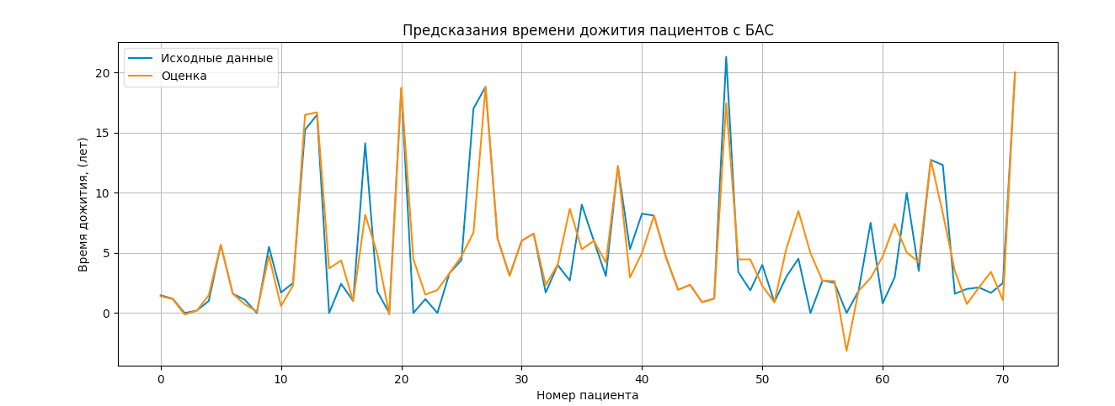
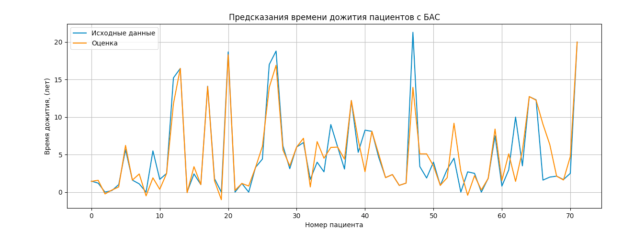

Ошибка Cv | 0.2956813783969885 | CV | 0.2692559085088122

0.2770017068155076 |  | 0.5005485446964342
OLS Regression Results |  | OLS Regression Results
============================================================================== |  | ==============================================================================
Dep. Variable: y R-squared: 0.787 |  | Dep. Variable: y R-squared: 0.824
Model: OLS Adj. R-squared: 0.056 |  | Model: OLS Adj. R-squared: 0.165
Method: Least Squares F-statistic: 1.076 |  | Method: Least Squares F-statistic: 1.250
Date: Tue, 08 Feb 2022 Prob (F-statistic): 0.458 |  | Date: Tue, 08 Feb 2022 Prob (F-statistic): 0.327
Time: 16:36:44 Log-Likelihood: -168.39 |  | Time: 16:43:13 Log-Likelihood: -161.65
No. Observations: 72 AIC: 448.8 |  | No. Observations: 72 AIC: 437.3
Df Residuals: 16 BIC: 576.3 |  | Df Residuals: 15 BIC: 567.1
Df Model: 55 |  | Df Model: 56
Covariance Type: nonrobust |  | Covariance Type: nonrobust
============================================================================== |  | ==============================================================================
coef std err t P>|t| [0.025 0.975] |  | coef std err t P>|t| [0.025 0.975]
------------------------------------------------------------------------------ |  | ------------------------------------------------------------------------------
x1 2.3531 5.322 0.442 0.664 -8.930 13.636 |  | x1 2.3531 5.006 0.470 0.645 -8.316 13.022
x2 9.5687 5.322 1.798 0.091 -1.714 20.851 |  | x2 9.5687 5.006 1.912 0.075 -1.100 20.238
x3 -0.1747 5.322 -0.033 0.974 -11.457 11.108 |  | x3 -0.1747 5.006 -0.035 0.973 -10.844 10.494
x4 -3.4459 5.322 -0.647 0.527 -14.729 7.837 |  | x4 -3.4459 5.006 -0.688 0.502 -14.115 7.223
x5 -1.7010 5.322 -0.320 0.753 -12.984 9.582 |  | x5 -1.7010 5.006 -0.340 0.739 -12.370 8.968
x6 -41.8670 35.170 -1.190 0.251 -116.424 32.690 |  | x6 30.4998 24.833 1.228 0.238 -22.430 83.430
x7 -2.7450 5.322 -0.516 0.613 -14.028 8.538 |  | x7 2.1884 5.006 0.437 0.668 -8.481 12.857
x8 -2.1034 5.323 -0.395 0.698 -13.387 9.180 |  | x8 -1.5707 5.006 -0.314 0.758 -12.240 9.099
x9 -4.7758 5.323 -0.897 0.383 -16.060 6.508 |  | x9 11.0207 5.028 2.192 0.045 0.303 21.738
x10 4.2719 5.367 0.796 0.438 -7.105 15.648 |  | x10 10.7313 5.026 2.135 0.050 0.019 21.444
x11 13.1624 5.347 2.462 0.026 1.828 24.497 |  | x11 -0.9197 5.016 -0.183 0.857 -11.611 9.772
x12 6.4633 5.336 1.211 0.243 -4.848 17.775 |  | x12 -5.1411 5.006 -1.027 0.321 -15.811 5.529
x13 1.2556 5.326 0.236 0.817 -10.035 12.547 |  | x13 -3.9620 5.013 -0.790 0.442 -14.647 6.723
x14 -9.3554 5.358 -1.746 0.100 -20.713 2.002 |  | x14 -8.6964 5.010 -1.736 0.103 -19.374 1.981
x15 1.0162 5.364 0.189 0.852 -10.355 12.388 |  | x15 -3.4245 5.008 -0.684 0.505 -14.099 7.250
x16 -11.9083 5.324 -2.237 0.040 -23.195 -0.622 |  | x16 11.6033 6.244 1.858 0.083 -1.706 24.913
x17 11.1625 7.573 1.474 0.160 -4.891 27.216 |  | x17 4.7721 5.061 0.943 0.361 -6.015 15.559
x18 2.0764 5.325 0.390 0.702 -9.212 13.364 |  | x18 -1.7684 5.320 -0.332 0.744 -13.107 9.570
x19 1.0508 6.640 0.158 0.876 -13.026 15.128 |  | x19 5.1681 6.330 0.816 0.427 -8.324 18.660
x20 3.0053 6.272 0.479 0.638 -10.291 16.301 |  | x20 1.8295 5.446 0.336 0.742 -9.778 13.437
x21 -0.5447 6.032 -0.090 0.929 -13.332 12.243 |  | x21 -0.4406 5.113 -0.086 0.932 -11.339 10.458
x22 -5.9851 5.603 -1.068 0.301 -17.862 5.892 |  | x22 1.1118 5.012 0.222 0.827 -9.570 11.794
x23 -0.9292 5.686 -0.163 0.872 -12.983 11.124 |  | x23 -6.6477 5.696 -1.167 0.261 -18.789 5.493
x24 -12.4961 6.131 -2.038 0.058 -25.493 0.500 |  | x24 -5.8989 5.042 -1.170 0.260 -16.645 4.848
x25 -1.0146 5.651 -0.180 0.860 -12.993 10.964 |  | x25 -8.8658 5.509 -1.609 0.128 -20.608 2.876
x26 1.9596 5.448 0.360 0.724 -9.590 13.510 |  | x26 -3.8041 5.011 -0.759 0.459 -14.484 6.876
x27 6.7035 5.359 1.251 0.229 -4.657 18.064 |  | x27 -1.1263 5.236 -0.215 0.833 -12.286 10.033
x28 -4.1770 5.338 -0.782 0.445 -15.494 7.140 |  | x28 -0.6111 5.193 -0.118 0.908 -11.679 10.457
x29 3.5546 8.836 0.402 0.693 -15.176 22.286 |  | x29 -8.3617 6.029 -1.387 0.186 -21.213 4.489
x30 48.1548 35.805 1.345 0.197 -27.748 124.058 |  | x30 8.3548 6.469 1.291 0.216 -5.434 22.143
x31 1.3289 7.140 0.186 0.855 -13.807 16.465 |  | x31 -42.6065 37.416 -1.139 0.273 -122.356 37.143
x32 20.9929 14.376 1.460 0.164 -9.482 51.468 |  | x32 3.5204 6.551 0.537 0.599 -10.444 17.484
x33 -15.3626 7.687 -1.999 0.063 -31.658 0.933 |  | x33 21.6333 13.832 1.564 0.139 -7.848 51.115
x34 -2.4058 5.327 -0.452 0.658 -13.700 8.888 |  | x34 6.6923 5.102 1.312 0.209 -4.183 17.567
x35 -8.4988 6.154 -1.381 0.186 -21.546 4.548 |  | x35 4.1125 5.390 0.763 0.457 -7.375 15.600
x36 1.6800 7.350 0.229 0.822 -13.902 17.261 |  | x36 -14.4543 6.632 -2.180 0.046 -28.589 -0.319
x37 33.5982 26.055 1.290 0.216 -21.636 88.832 |  | x37 1.5995 6.879 0.233 0.819 -13.063 16.262
x38 56.1639 46.973 1.196 0.249 -43.414 155.742 |  | x38 -35.8486 28.955 -1.238 0.235 -97.564 25.867
x39 -29.6287 27.597 -1.074 0.299 -88.132 28.875 |  | x39 2.2815 8.845 0.258 0.800 -16.571 21.134
x40 8.9498 8.552 1.046 0.311 -9.180 27.080 |  | x40 -12.3042 7.957 -1.546 0.143 -29.265 4.656
x41 26.1146 23.646 1.104 0.286 -24.012 76.242 |  | x41 -16.5529 8.248 -2.007 0.063 -34.133 1.028
x42 7.5869 5.329 1.424 0.174 -3.709 18.883 |  | x42 -10.8135 7.428 -1.456 0.166 -26.647 5.020
x43 0.8968 6.977 0.129 0.899 -13.893 15.687 |  | x43 4.4561 5.006 0.890 0.387 -6.213 15.125
x44 5.0412 7.522 0.670 0.512 -10.906 20.988 |  | x44 -14.8344 11.189 -1.326 0.205 -38.683 9.015
x45 -17.2634 5.760 -2.997 0.009 -29.474 -5.053 |  | x45 14.3457 6.370 2.252 0.040 0.767 27.924
x46 -3.2091 5.339 -0.601 0.556 -14.527 8.109 |  | x46 11.4670 14.246 0.805 0.433 -18.898 41.832
x47 -6.7728 5.961 -1.136 0.273 -19.410 5.864 |  | x47 8.8357 5.032 1.756 0.099 -1.889 19.561
x48 1.1283 7.340 0.154 0.880 -14.431 16.688 |  | x48 -8.0616 5.192 -1.553 0.141 -19.128 3.005
x49 10.8215 14.940 0.724 0.479 -20.850 42.493 |  | x49 5.1387 5.064 1.015 0.326 -5.654 15.932
x50 9.8844 7.123 1.388 0.184 -5.216 24.985 |  | x50 -1.6991 5.200 -0.327 0.748 -12.783 9.384
x51 1.1011 5.725 0.192 0.850 -11.036 13.238 |  | x51 6.3067 5.914 1.066 0.303 -6.298 18.912
x52 0.8157 5.991 0.136 0.893 -11.885 13.516 |  | x52 -7.1358 5.099 -1.400 0.182 -18.003 3.732
x53 -6.6023 5.494 -1.202 0.247 -18.249 5.045 |  | x53 -5.4272 5.556 -0.977 0.344 -17.269 6.414
x54 -7.1405 5.329 -1.340 0.199 -18.438 4.157 |  | x54 2.8931 5.119 0.565 0.580 -8.018 13.804
x55 -10.5711 6.402 -1.651 0.118 -24.142 3.000 |  | x55 1.1772 5.053 0.233 0.819 -9.593 11.948
const 17.2748 10.112 1.708 0.107 -4.163 38.712 |  | x56 3.6313 5.308 0.684 0.504 -7.681 14.944
============================================================================== |  | const -3.7751 7.075 -0.534 0.601 -18.855 11.305
Omnibus: 20.064 Durbin-Watson: 2.182 |  | ==============================================================================
Prob(Omnibus): 0.000 Jarque-Bera (JB): 43.054 |  | Omnibus: 20.404 Durbin-Watson: 2.083
Skew: 0.890 Prob(JB): 4.48e-10 |  | Prob(Omnibus): 0.000 Jarque-Bera (JB): 59.264
Kurtosis: 6.345 Cond. No. 139. |  | Skew: 0.761 Prob(JB): 1.35e-13
============================================================================== |  | Kurtosis: 7.176 Cond. No. 103.
 |  | ==============================================================================
Notes:
[1] Standard Errors assume that the covariance matrix of the errors is correctly specified. |  | Notes:
 |  | [1] Standard Errors assume that the covariance matrix of the errors is correctly specified.

Лист4
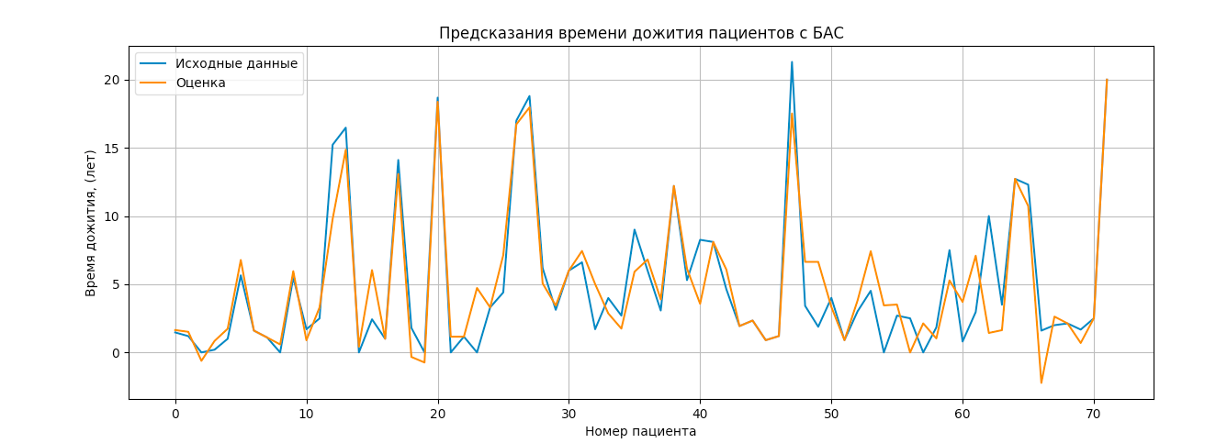

CV | 0.2582294064059711

0.35902329917754194
OLS Regression Results
==============================================================================
Dep. Variable: y R-squared: 0.838
Model: OLS Adj. R-squared: 0.232
Method: Least Squares F-statistic: 1.382
Date: Tue, 08 Feb 2022 Prob (F-statistic): 0.249
Time: 16:45:14 Log-Likelihood: -158.64
No. Observations: 72 AIC: 431.3
Df Residuals: 15 BIC: 561.1
Df Model: 56
Covariance Type: nonrobust
==============================================================================
coef std err t P>|t| [0.025 0.975]
------------------------------------------------------------------------------
x1 2.3531 4.801 0.490 0.631 -7.879 12.585
x2 9.5687 4.801 1.993 0.065 -0.663 19.801
x3 -0.1747 4.801 -0.036 0.971 -10.407 10.057
x4 -3.4459 4.801 -0.718 0.484 -13.678 6.786
x5 -1.7010 4.801 -0.354 0.728 -11.933 8.531
x6 -20.6094 27.959 -0.737 0.472 -80.202 38.983
x7 7.9784 4.801 1.662 0.117 -2.254 18.211
x8 6.5935 4.830 1.365 0.192 -3.702 16.889
x9 8.4862 4.837 1.755 0.100 -1.823 18.796
x10 0.2162 4.807 0.045 0.965 -10.030 10.462
x11 -6.8092 4.801 -1.418 0.177 -17.043 3.424
x12 -1.2996 4.805 -0.270 0.790 -11.542 8.943
x13 -8.2776 4.806 -1.722 0.106 -18.520 1.965
x14 -3.3852 4.801 -0.705 0.492 -13.617 6.847
x15 -6.5452 8.104 -0.808 0.432 -23.819 10.728
x16 0.2244 4.892 0.046 0.964 -10.203 10.651
x17 -0.6361 4.805 -0.132 0.896 -10.878 9.606
x18 5.8337 5.019 1.162 0.263 -4.865 16.532
x19 -1.2801 4.804 -0.266 0.794 -11.520 8.959
x20 -14.7118 7.733 -1.903 0.076 -31.194 1.770
x21 0.6115 4.801 0.127 0.900 -9.621 10.844
x22 -4.6622 5.391 -0.865 0.401 -16.152 6.828
x23 -2.4197 4.819 -0.502 0.623 -12.690 7.851
x24 -0.4822 4.841 -0.100 0.922 -10.801 9.837
x25 -3.9699 4.978 -0.797 0.438 -14.581 6.641
x26 1.2973 5.047 0.257 0.801 -9.461 12.055
x27 4.0418 4.809 0.840 0.414 -6.208 14.292
x28 -10.6423 4.971 -2.141 0.049 -21.237 -0.048
x29 0.0650 5.082 0.013 0.990 -10.767 10.897
x30 -8.8981 5.552 -1.603 0.130 -20.732 2.936
x31 38.4493 44.235 0.869 0.398 -55.836 132.735
x32 20.4674 25.585 0.800 0.436 -34.065 75.000
x33 -3.8000 6.707 -0.567 0.579 -18.097 10.496
x34 3.4741 4.818 0.721 0.482 -6.795 13.743
x35 6.5131 4.852 1.342 0.199 -3.828 16.854
x36 9.8059 5.167 1.898 0.077 -1.207 20.819
x37 1.0979 4.865 0.226 0.824 -9.271 11.467
x38 5.4639 12.934 0.422 0.679 -22.105 33.032
x39 -9.8936 5.519 -1.793 0.093 -21.656 1.869
x40 0.2091 8.367 0.025 0.980 -17.625 18.044
x41 13.1765 17.878 0.737 0.472 -24.930 51.282
x42 -4.9279 4.807 -1.025 0.322 -15.173 5.318
x43 3.8638 5.885 0.657 0.521 -8.681 16.408
x44 1.5268 5.079 0.301 0.768 -9.300 12.353
x45 0.2828 15.676 0.018 0.986 -33.129 33.695
x46 -13.1307 12.371 -1.061 0.305 -39.500 13.238
x47 0.2540 7.051 0.036 0.972 -14.775 15.283
x48 12.8172 12.711 1.008 0.329 -14.277 39.911
x49 -11.5686 6.411 -1.805 0.091 -25.232 2.095
x50 1.4598 7.383 0.198 0.846 -14.276 17.195
x51 0.0704 6.896 0.010 0.992 -14.627 14.768
x52 -14.2379 5.220 -2.728 0.016 -25.364 -3.112
x53 -4.6737 5.047 -0.926 0.369 -15.431 6.083
x54 0.9703 5.179 0.187 0.854 -10.068 12.009
x55 3.6519 6.510 0.561 0.583 -10.225 17.529
x56 -1.1428 5.765 -0.198 0.846 -13.432 11.146
const 11.0914 8.012 1.384 0.186 -5.985 28.168
==============================================================================
Omnibus: 15.689 Durbin-Watson: 1.978
Prob(Omnibus): 0.000 Jarque-Bera (JB): 28.398
Skew: 0.741 Prob(JB): 6.82e-07
Kurtosis: 5.696 Cond. No. 122.
==============================================================================

